Instructions
Controller Mapper for JoyToKey - Instructions

"Escape Button"
With this spreadsheet, you can configure JoyToKey profiles for up to 12 systems and 6 pairs of physical controllers. | Step 1 | Step 2

Step 1: Configure Key bindings for each "System"
First you should configure each emulated system, you can configure up to 12 systems.
In the "Main" worksheet, between rows 1 and 27, you must complete 3 columns for each.
On the light gray column, you must specify which "Emulated Buttons" the system uses, and name them. On the Player 1 and 2 columns, you must enter which "Key" binds to each Emulated Button for players 1 and 2 in the selected System.
"Physical Button" Number
E.g., for NES you need the Pad plus buttons "B", "A", "Select" and "Start". First enter the names each "Emulated Button" on the light gray column (in this case, I chose "B", "A", "Select" and "Start"). Then enter which "Key" corresponds to each "Emulated Button" for each player in your designed emulator, for example in Retroarch in my case. (Note: I changed the default key bindings of Retroarch, so this profile will not work if you use the default Retroarch settings)
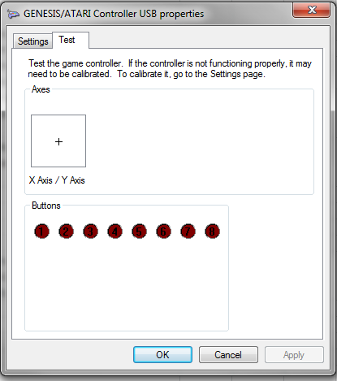
The "Keys" you enter should match one of the available standard Windows keys, which you can find in the "Key Codes" worksheet. If you enter a "Key" that is not found, the cell will turn red. Look into "Key Codes" for the names I chose for each key.

"Emulated Button" Name
Step 2: Configure each "Physical Controller"
Next you should configure each "Physical Controller", up to 6, in the "Main" worksheet, between columns A and D, rows 28 to 100.
In my case I use Ultimarc's U360s with 8 buttons each for my arcade cabinet, Logitech F710, and some RetroLink imitation controllers and adapters.
Key bindings for each "Emulated Button" , for players 1 and 2
For each controller, you should name each "Physical Button" in column C, and enter in column D which actual button number it is. You can configure up to 10 buttons for each controller (plus the Pad), numbers 1 to 10. (Sorry if you need more!)
To find out which number corresponds to each Physical Button, plug your controller, go to "Set up USB Game Controllers" in Windows, select the controller and go to "Properties". You should get to the window you see on the right. Then press each button and see which number lights up in this window.
Here you can also optionally chose a button for each physical controller that will always work as "Escape" (in all systems) when pressed for more than half a second. You enter the "Escape button" number to the right of the controller name, on column D. Leave it blank if you do not want to use this feature.
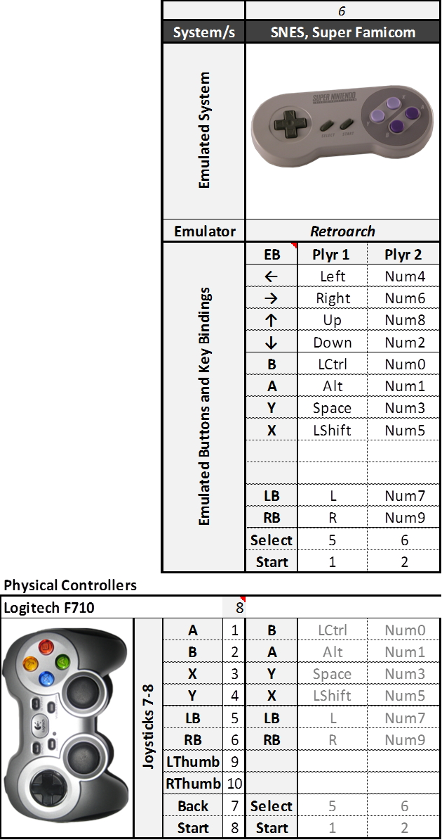
Each physical controller will use 2 Joystick tabs in JoyToKey, always the same number in all the system. In order for this to work, you should map each Physical controller to a Joystick Number in JoyToKey. With your joystick/s plugged, in JoyToKey got to "Settings", "Configure Joysticks", "2.Advanced Setting for each device". Then select your plugged joystick in "Please select a device", and "Specify a preferred number when this device is connected". Now JoyToKey will always assign the selected Joystick number when this device is selected. (This is stored in the JoyToKey.ini file) | Step 3

Complete this column for each "System" - "Physical Controller" pair. Enter the "Emulated Button" name.
Step 3: Map each "Physical button" to each "Emulated Button"
You then need to map each "Physical Button" of each "Physical Controller", to the different "Emulated Buttons" in each system. (the direction Pads are always mapped to the same keys)
This is done between columns E and AN, rows 28 to 100. For each "System"-"Physical Controller" pair, you need to complete only the light gray column: enter the name of the "Emulated Button" that is assigned to each "Physical Button". The Keys the correspond to that Emulated Button are completed automatically.

Step 4: Create the .cfg files.
When you are finished mapping, you have to create the JoyToKey .cfg file for each system. This is a semi-automatic method.
With RocketLauncherUI, create an empty JoyToKey Profile for each system (or emulator), and locate the file .cfg it creates. Then go the "JoyToKey cfg" spreadsheet, enter the system number (1-12) in cell C1, select column A (go to cell A1, and press Ctrl+Shift+↓), and copy paste into your .cfg file.
Alternatively, you can print the "JoyToKey Maps" spreadsheet, and enter profiles manually.

Notes.
Works with JoyToKey v 5.7.
Spreadsheets are protected for your convenience. If you want to Unprotect them, just go to the Review Pane in Excel and press "Unprotect Sheet". There is no password.

Main
Controller Mapper for JoyToKey
 |  |  |  | 1 |  |  | 2 |  |  | 3 |  |  | 4 |  |  | 5 |  |  | 6 |  |  | 7 |  |  | 8 |  |  | 9 |  |  | 10 |  |  | 11 |  |  | 12
 |  | System/s |  | Arcade |  |  | Atari 2600 |  |  | Sega SG-1000, SMS |  |  | Atari 7800 |  |  | NES, Famicom |  |  | SNES, Super Famicom |  |  | Sega Genesis, 32X, CD |  |  | PC Engine, TurbografX + CD |  |  | Panasonic 3DO |  |  | Sega Saturn |  |  | Hyperspin |  |  | RL Pause
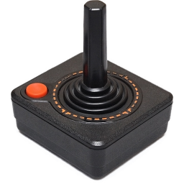
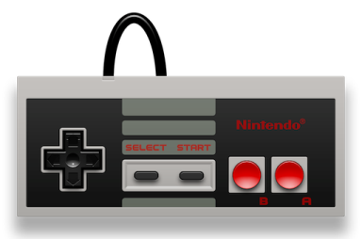
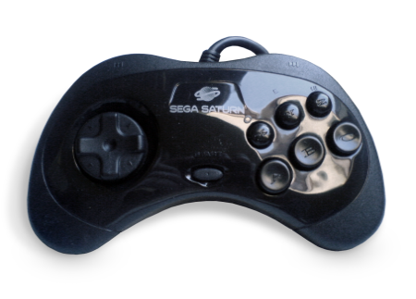

 |  | Emulated System
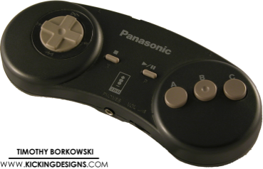

 |  | Emulator |  | Mame |  |  | Retroarch |  |  | Retroarch |  |  | Retroarch |  |  | Retroarch |  |  | Retroarch |  |  | Retroarch |  |  | Retroarch |  |  | Retroarch |  |  | Retroarch |  |  | Hyperspin |  |  | RocketLauncher
 |  | Emulated Buttons and Key Bindings |  | EB | Plyr 1 | Plyr 2 | EB | Plyr 1 | Plyr 2 | EB | Plyr 1 | Plyr 2 | EB | Plyr 1 | Plyr 2 | EB | Plyr 1 | Plyr 2 | EB | Plyr 1 | Plyr 2 | EB | Plyr 1 | Plyr 2 | EB | Plyr 1 | Plyr 2 | EB | Plyr 1 | Plyr 2 | EB | Plyr 1 | Plyr 2 | EB | Plyr 1 | Plyr 2 | EB | Plyr 1 | Plyr 2
 |  |  |  | ← | Left | D | ← | Left | Num4 | ← | Left | Num4 | ← | Left | Num4 | ← | Left | Num4 | ← | Left | Num4 | ← | Left | Num4 | ← | Left | Num4 | ← | Left | Num4 | ← | Left | Num4 | Skip Up | Left | A | ← | A | Num4
 |  |  |  | → | Right | G | → | Right | Num6 | → | Right | Num6 | → | Right | Num6 | → | Right | Num6 | → | Right | Num6 | → | Right | Num6 | → | Right | Num6 | → | Right | Num6 | → | Right | Num6 | Skip Dn | Right | D | → | D | Num6
 |  |  |  | ↑ | Up | R | ↑ | Up | Num8 | ↑ | Up | Num8 | ↑ | Up | Num8 | ↑ | Up | Num8 | ↑ | Up | Num8 | ↑ | Up | Num8 | ↑ | Up | Num8 | ↑ | Up | Num8 | ↑ | Up | Num8 | ↑ | Up | W | ↑ | W | Num8
 |  |  |  | ↓ | Down | F | ↓ | Down | Num2 | ↓ | Down | Num2 | ↓ | Down | Num2 | ↓ | Down | Num2 | ↓ | Down | Num2 | ↓ | Down | Num2 | ↓ | Down | Num2 | ↓ | Down | Num2 | ↓ | Down | Num2 | ↓ | Down | S | ↓ | S | Num2
 |  |  |  | 1 | LCtrl | A | Fire | z | Num0 | 1 | z | Num0 | LFire | z | Num0 | B | z | Num0 | B | z | Num0 | A | a | Num3 | II | z | Num0 | A | a | Num3 | A | a | Num3 | Hyperspin | Space | X | Zoom In | C | C
 |  |  |  | 2 | Alt | S |  |  |  | 2 | x | Num1 | RFire | x | Num1 | A | x | Num1 | A | x | Num1 | B | z | Num0 | I | x | Num1 | B | z | Num0 | B | z | Num0 | Genre | G | H | Zoom Out | V | V
 |  |  |  | 3 | Space | Q | Diff A | q | w |  |  |  |  |  |  |  |  |  | Y | a | Num3 | C | x | Num1 | Turbo II |  |  | C | x | Num1 | C | x | Num1 | Favorite | F | Z
 |  |  |  | 4 | LShift | W | Diff B | x | s |  |  |  | Diff | q | w |  |  |  | X | s | Num5 | X | q | Num7 | Turbo I |  |  |  |  |  | X | q | Num7 | Skip Up # | Z | J
 |  |  |  | 5 | Z | I |  |  |  |  |  |  |  |  |  |  |  |  |  |  |  | Y | s | Num5 |  |  |  |  |  |  | Y | s | Num5 | Skip Dn # | X | M
 |  |  |  | 6 | X | K |  |  |  |  |  |  |  |  |  |  |  |  |  |  |  | Z | w | Num9 |  |  |  |  |  |  | Z | w | Num9
 |  |  |  |  |  |  |  |  |  |  |  |  |  |  |  |  |  |  | LB | q | Num7 |  |  |  |  |  |  | LB | q | Num7 | LB | c | d |  |  |  | L
 |  |  |  |  |  |  |  |  |  |  |  |  | Reset | s | s |  |  |  | RB | w | Num9 |  |  |  |  |  |  | RB | w | Num9 | RB | v | g |  |  |  | R
 |  |  |  | $ | 5 | 6 | Select | RShift | RShift |  |  |  | Select | RShift | RShift | Select | RShift | LShift | Select | RShift | LShift | Mode | RShift | LShift | Select | RShift | LShift | Stop | RShift | LShift |  |  |  | Exit | Esc | Q | Back | X | X
 |  |  |  | Start | 1 | 2 | Reset | Enter | Enter |  |  |  | Pause | Enter | Enter | Start | Enter | LCtrl | Start | Enter | LCtrl | Start | Enter | LCtrl | Run | Enter | LCtrl | Play | Enter | LCtrl | Start | Enter | LCtrl | Selection | Enter | E | Selection | Enter | Enter
Physical Controllers
Ultimarc U360
 | Joysticks 1-2 | 1 | 1 | 1 | LCtrl | A | Fire | z | Num0 | 1 | z | Num0 | RFire | x | Num1 | B | z | Num0 | B | z | Num0 | A | a | Num3 | II | z | Num0 | A | a | Num3 | A | a | Num3 | Selection | Enter | E | Selection | Enter | Enter
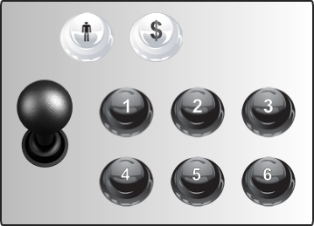
 |  | 2 | 2 | 2 | Alt | S | Fire | z | Num0 | 2 | x | Num1 | LFire | z | Num0 | A | x | Num1 | A | x | Num1 | B | z | Num0 | I | x | Num1 | B | z | Num0 | B | z | Num0 | Exit | Esc | Q | Back | X | X
 |  | 3 | 3 | 3 | Space | Q | Diff A | q | w |  |  |  |  |  |  |  |  |  | LB | q | Num7 | C | x | Num1 |  |  |  | C | x | Num1 | C | x | Num1 | Skip Up # | Z | J
 |  | 4 | 4 | 4 | LShift | W | Fire | z | Num0 | 1 | z | Num0 | RFire | x | Num1 | B | z | Num0 | Y | a | Num3 | X | q | Num7 |  |  |  | LB | q | Num7 | X | q | Num7 | Genre | G | H | Zoom Out | V | V
 |  | 5 | 5 | 5 | Z | I | Fire | z | Num0 | 2 | x | Num1 | LFire | z | Num0 | A | x | Num1 | X | s | Num5 | Y | s | Num5 |  |  |  | RB | w | Num9 | Y | s | Num5 | Favorite | F | Z | Zoom In | C | C
 |  | 6 | 6 | 6 | X | K | Diff B | x | s |  |  |  |  |  |  |  |  |  | RB | w | Num9 | Z | w | Num9 |  |  |  |  |  |  | Z | w | Num9 | Skip Dn # | X | M
 |  | $ | 8 | $ | 5 | 6 | Select | RShift | RShift |  |  |  | Select | RShift | RShift | Select | RShift | LShift | Select | RShift | LShift | Mode | RShift | LShift | Select | RShift | LShift | Stop | RShift | LShift | RB | v | g
 |  | Start | 7 | Start | 1 | 2 | Reset | Enter | Enter | 1 | z | Num0 | Reset | s | s | Start | Enter | LCtrl | Start | Enter | LCtrl | Start | Enter | LCtrl | Run | Enter | LCtrl | Play | Enter | LCtrl | Start | Enter | LCtrl | Selection | Enter | E | Selection | Enter | Enter

NES, SNES RetroLink |  |  | 10
 | Joysticks 3-4 | B | 3 | 1 | LCtrl | A | Fire | z | Num0 | 1 | z | Num0 | RFire | x | Num1 | B | z | Num0 | B | z | Num0 | A | a | Num3 | II | z | Num0 | A | a | Num3 | B | z | Num0 | Selection | Enter | E | Selection | Enter | Enter
 |  | A | 2 | 2 | Alt | S | Fire | z | Num0 | 2 | x | Num1 | LFire | z | Num0 | A | x | Num1 | A | x | Num1 | B | z | Num0 | I | x | Num1 | B | z | Num0 | C | x | Num1 | Exit | Esc | Q | Back | X | X
 |  | Y | 4 | 3 | Space | Q | Fire | z | Num0 | 1 | z | Num0 | RFire | x | Num1 | B | z | Num0 | Y | a | Num3 | C | x | Num1 |  |  |  | C | x | Num1 | A | a | Num3 | Genre | G | H | Selection | Enter | Enter
 |  | X | 1 | 4 | LShift | W | Fire | z | Num0 | 2 | x | Num1 | LFire | z | Num0 | A | x | Num1 | X | s | Num5 | X | q | Num7 |  |  |  |  |  |  | Y | s | Num5 | Favorite | F | Z | Back | X | X
 |  | LB | 5 | 5 | Z | I | Diff A | q | w |  |  |  | Diff | q | w |  |  |  | LB | q | Num7 | Y | s | Num5 |  |  |  | LB | q | Num7 | LB | c | d | Skip Up # | Z | J | Zoom Out | V | V
 |  | RB | 6 | 6 | X | K | Diff B | x | s |  |  |  | Diff | q | w |  |  |  | RB | w | Num9 | Z | w | Num9 |  |  |  | RB | w | Num9 | RB | v | g | Skip Dn # | X | M | Zoom In | C | C
 |  | Select | 9 | $ | 5 | 6 | Select | RShift | RShift |  |  |  | Select | RShift | RShift | Select | RShift | LShift | Select | RShift | LShift | Mode | RShift | LShift | Select | RShift | LShift | Stop | RShift | LShift | Z | w | Num9 | Genre | G | H | Selection | Enter | Enter
 |  | Start | 10 | Start | 1 | 2 | Reset | Enter | Enter | 1 | z | Num0 | Reset | s | s | Start | Enter | LCtrl | Start | Enter | LCtrl | Start | Enter | LCtrl | Run | Enter | LCtrl | Play | Enter | LCtrl | Start | Enter | LCtrl | Selection | Enter | E | Selection | Enter | Enter

Sega Retrolink Adapter |  |  | 7
 | Joysticks 5-6 | A/Fire | 1 | 1 | LCtrl | A | Select | RShift | RShift |  |  |  | Select | RShift | RShift | Select | RShift | LShift | LB | q | Num7 | A | a | Num3 | Select | RShift | LShift | A | a | Num3 | A | a | Num3 | Genre | G | H | Zoom In | C | C
 |  | B | 2 | 2 | Alt | S | Fire | z | Num0 | 1 | z | Num0 | RFire | x | Num1 | B | z | Num0 | B | z | Num0 | B | z | Num0 | II | z | Num0 | B | z | Num0 | B | z | Num0 | Selection | Enter | E | Selection | Enter | Enter
 |  | C | 3 | 3 | Space | Q | Diff A | q | w | 2 | x | Num1 | LFire | z | Num0 | A | x | Num1 | A | x | Num1 | C | x | Num1 | I | x | Num1 | C | x | Num1 | C | x | Num1 | Exit | Esc | Q | Back | X | X
 |  | X | 4 | 4 | LShift | W | Diff A | q | w |  |  |  | Diff | q | w | Select | RShift | LShift | RB | w | Num9 | X | q | Num7 |  |  |  | LB | q | Num7 | X | q | Num7 | Hyperspin | Space | X
 |  | Y | 5 | 5 | Z | I | Diff B | x | s | 1 | z | Num0 | RFire | x | Num1 | B | z | Num0 | Y | a | Num3 | Y | s | Num5 |  |  |  | RB | w | Num9 | Y | s | Num5 | Genre | G | H | Zoom In | C | C
 |  | Z | 6 | 6 | X | K | Select | RShift | RShift | 2 | x | Num1 | LFire | z | Num0 | A | x | Num1 | X | s | Num5 | Z | w | Num9 |  |  |  |  |  |  | Z | w | Num9 | Favorite | F | Z | Zoom Out | V | V
 |  | Mode | 8 | $ | 5 | 6 | Select | RShift | RShift |  |  |  | Select | RShift | RShift | Select | RShift | LShift | Select | RShift | LShift | Mode | RShift | LShift | Select | RShift | LShift | Stop | RShift | LShift | RB | v | g | Exit | Esc | Q | Back | X | X
 |  | Start | 7 | Start | 1 | 2 | Reset | Enter | Enter | 1 | z | Num0 | Reset | s | s | Start | Enter | LCtrl | Start | Enter | LCtrl | Start | Enter | LCtrl | Run | Enter | LCtrl | Play | Enter | LCtrl | Start | Enter | LCtrl | Selection | Enter | E | Selection | Enter | Enter

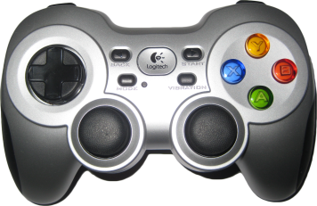
Logitech F710 |  |  | 8
 | Joysticks 7-8 | A | 1 | 1 | LCtrl | A | Fire | z | Num0 | 1 | z | Num0 | RFire | x | Num1 | B | z | Num0 | B | z | Num0 | A | a | Num3 | II | z | Num0 | A | a | Num3 | B | z | Num0 | Selection | Enter | E | Selection | Enter | Enter
 |  | B | 2 | 2 | Alt | S | Fire | z | Num0 | 2 | x | Num1 | LFire | z | Num0 | A | x | Num1 | A | x | Num1 | B | z | Num0 | I | x | Num1 | B | z | Num0 | C | x | Num1 | Exit | Esc | Q | Back | X | X
 |  | X | 3 | 3 | Space | Q | Fire | z | Num0 | 1 | z | Num0 | RFire | x | Num1 | B | z | Num0 | Y | a | Num3 | X | q | Num7 |  |  |  | C | x | Num1 | A | a | Num3 | Genre | G | H | Selection | Enter | Enter
 |  | Y | 4 | 4 | LShift | W | Fire | z | Num0 | 2 | x | Num1 | LFire | z | Num0 | A | x | Num1 | X | s | Num5 | Y | s | Num5 |  |  |  |  |  |  | Y | s | Num5 | Favorite | F | Z | Back | X | X
 |  | LB | 5 | 5 | Z | I | Diff A | q | w |  |  |  | Diff | q | w |  |  |  | LB | q | Num7 |  |  |  |  |  |  | LB | q | Num7 | LB | c | d | Skip Up # | Z | J | Zoom Out | V | V
 |  | RB | 6 | 6 | X | K | Diff B | x | s |  |  |  | Diff | q | w |  |  |  | RB | w | Num9 |  |  |  |  |  |  | RB | w | Num9 | RB | v | g | Skip Dn # | X | M | Zoom In | C | C
 |  | LThumb | 9 | 5 | Z | I |  |  |  |  |  |  | Pause | Enter | Enter |  |  |  |  |  |  | C | x | Num1 |  |  |  |  |  |  | X | q | Num7 | Hyperspin | Space | X
 |  | RThumb | 10 | 6 | X | K |  |  |  |  |  |  | Pause | Enter | Enter |  |  |  |  |  |  | Z | w | Num9 |  |  |  |  |  |  | Z | w | Num9 | Hyperspin | Space | X
 |  | Back | 7 | $ | 5 | 6 | Select | RShift | RShift |  |  |  | Select | RShift | RShift | Select | RShift | LShift | Select | RShift | LShift | Mode | RShift | LShift | Select | RShift | LShift | Stop | RShift | LShift |  |  |  | Exit | Esc | Q | Back | X | X
 |  | Start | 8 | Start | 1 | 2 | Reset | Enter | Enter | 1 | z | Num0 | Reset | s | s | Start | Enter | LCtrl | Start | Enter | LCtrl | Start | Enter | LCtrl | Run | Enter | LCtrl | Play | Enter | LCtrl | Start | Enter | LCtrl | Selection | Enter | E | Selection | Enter | Enter


Retrolink Saturn |  |  | 9
 | Joysticks 9-10 | A | 1 | 1 | LCtrl | A | Fire | z | Num0 |  |  |  | RFire | x | Num1 | B | z | Num0 | B | z | Num0 | A | a | Num3 | II | z | Num0 | A | a | Num3 | A | a | Num3 | Selection | Enter | E | Selection | Enter | Enter
 |  | B | 2 | 2 | Alt | S | Fire | z | Num0 | 1 | z | Num0 | LFire | z | Num0 | A | x | Num1 | A | x | Num1 | B | z | Num0 | I | x | Num1 | B | z | Num0 | B | z | Num0 | Exit | Esc | Q | Back | X | X
 |  | C | 3 | 3 | Space | Q | Select | RShift | RShift | 2 | x | Num1 | Select | RShift | RShift | Select | RShift | LShift | Select | RShift | LShift | C | x | Num1 |  |  |  | C | x | Num1 | C | x | Num1 | Hyperspin | Space | X
 |  | X | 4 | 4 | LShift | W | Fire | z | Num0 |  |  |  | RFire | x | Num1 | B | z | Num0 | Y | a | Num3 | X | q | Num7 |  |  |  |  |  |  | X | q | Num7 | Genre | G | H | Selection | Enter | Enter
 |  | Y | 5 | 5 | Z | I | Fire | z | Num0 | 1 | z | Num0 | LFire | z | Num0 | A | x | Num1 | X | s | Num5 | Y | s | Num5 |  |  |  |  |  |  | Y | s | Num5 | Favorite | F | Z | Back | X | X
 |  | Z | 6 | 6 | X | K |  |  |  | 2 | x | Num1 |  |  |  |  |  |  |  |  |  | Z | w | Num9 | Select | RShift | LShift | Stop | RShift | LShift | Z | w | Num9
 |  | LB | 7 | $ | 5 | 6 | Diff A | q | w |  |  |  | Diff | q | w | Select | RShift | LShift | LB | q | Num7 | Mode | RShift | LShift |  |  |  | LB | q | Num7 | LB | c | d | Skip Up # | Z | J | Zoom Out | V | V
 |  | RB | 8 | $ | 5 | 6 | Diff B | x | s |  |  |  | Diff | q | w | Select | RShift | LShift | LB | q | Num7 | Mode | RShift | LShift |  |  |  | RB | w | Num9 | RB | v | g | Skip Dn # | X | M | Zoom In | C | C
 |  | Start | 9 | Start | 1 | 2 | Reset | Enter | Enter | 1 | z | Num0 | Reset | s | s | Start | Enter | LCtrl | Start | Enter | LCtrl | Start | Enter | LCtrl | Run | Enter | LCtrl | Play | Enter | LCtrl | Start | Enter | LCtrl | Selection | Enter | E | Selection | Enter | Enter

Other Controller
 | Joysticks 11-12
 |  | Fire | 1 |  |  |  | Fire | z | Num0 |  |  |  | RFire | x | Num1

